Case #1
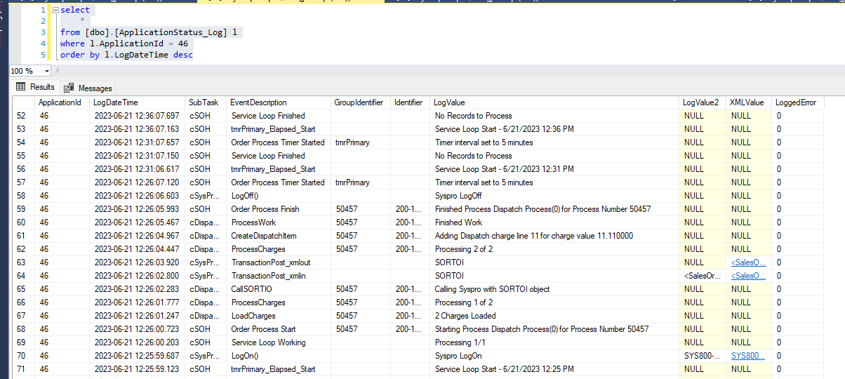
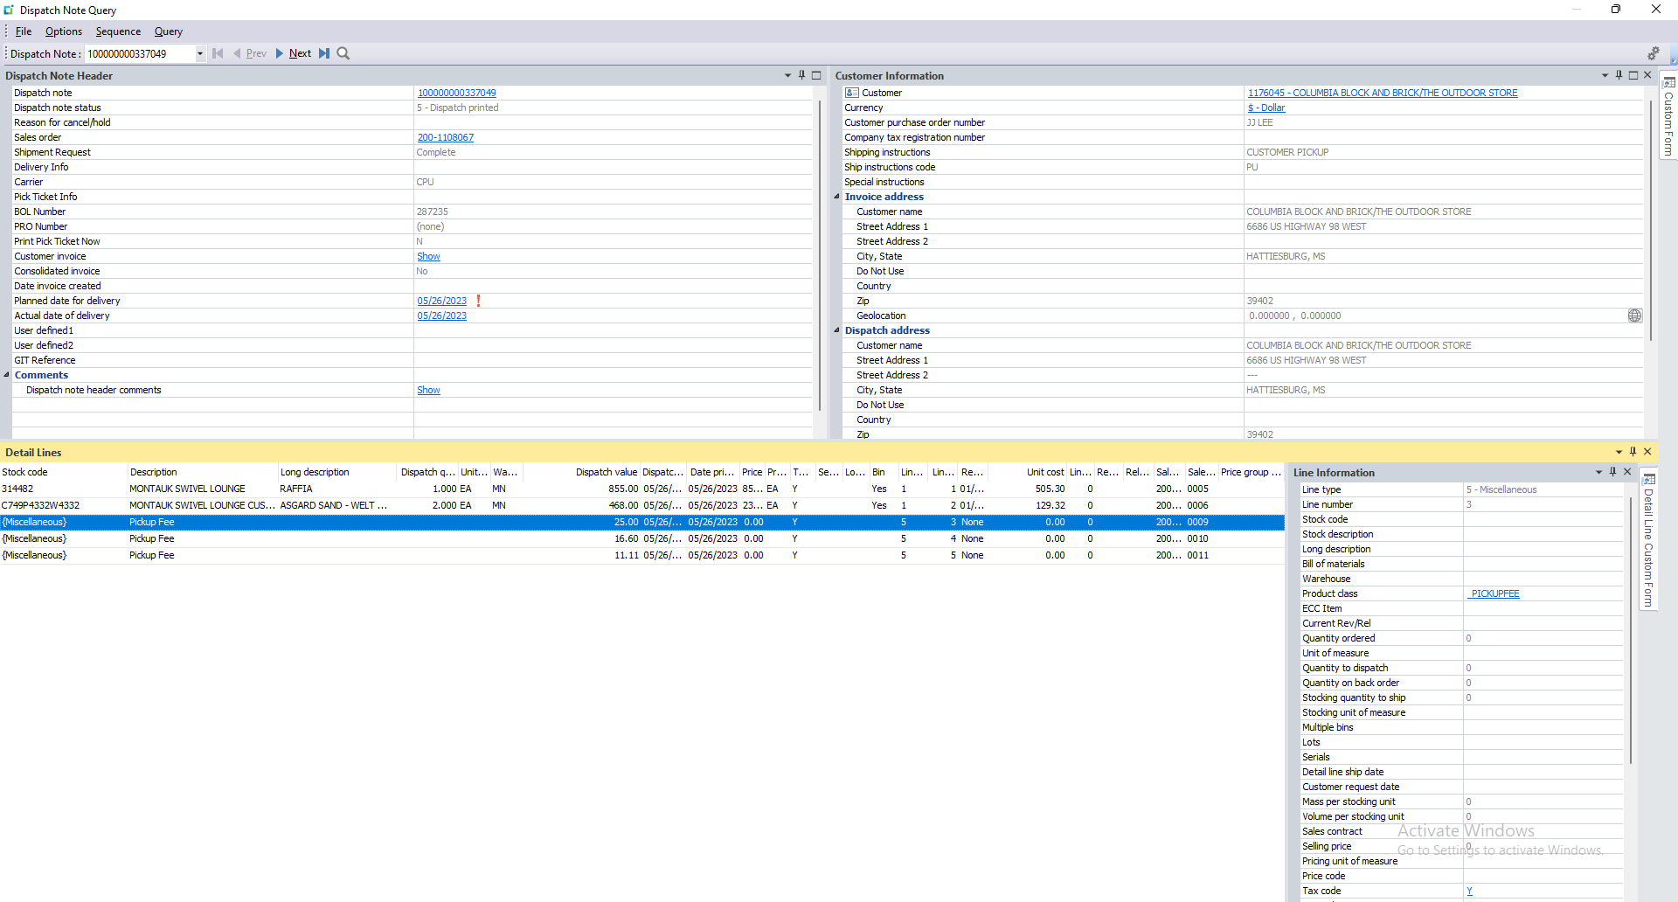
Justin Pope Dev Test
Test Case No. | 1
Process | SOH execution on GWCApps
Test Consideration | 1) SSMS 2) GWCApps
Test Condition |  | Data Used | How To Verify | Actual Results
Tasks
1 | update staged record to reprocess | update process number 50457 | query database | screen shots
2 | watch SOH process run |  |  | screen shots
Configuration/Data Setup for Testing Scenario
1 | Running from Visual Studio
2 | Added the Staged record manually

Verification

Test Cast Screens Shots Before and After

 | reset process number 50457

 | Logging showing processes

